Test Instruction
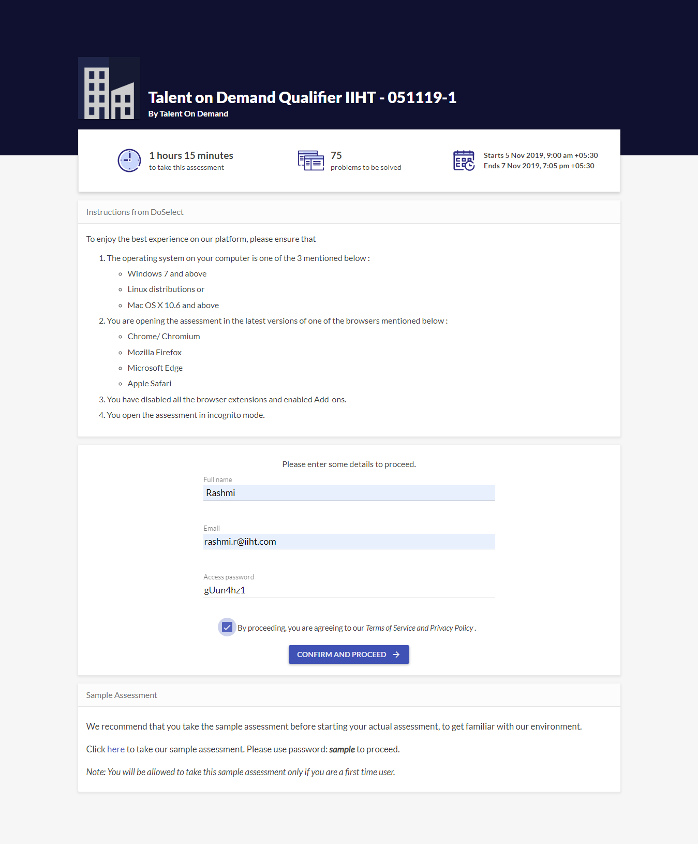
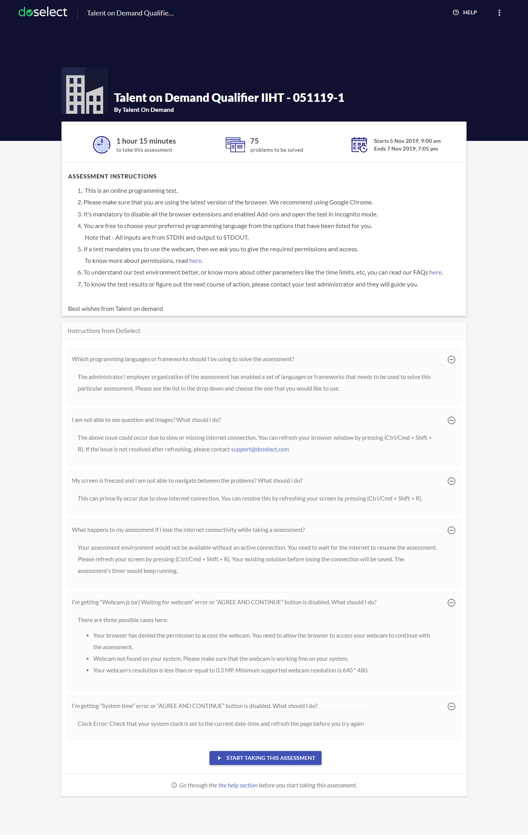

Individual PDF Format
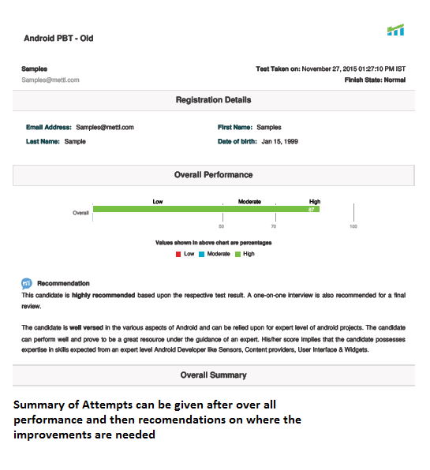
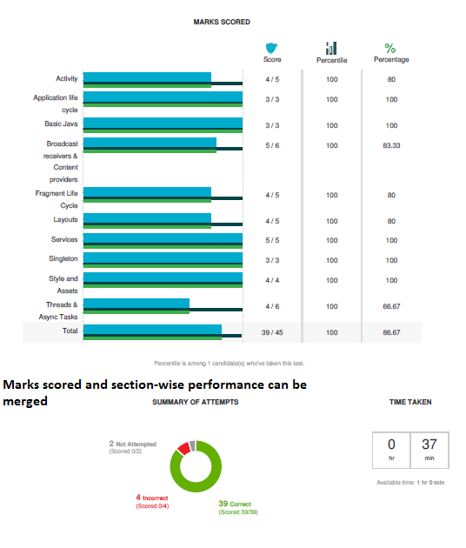
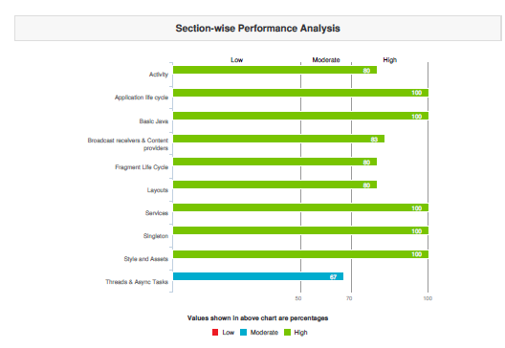
Good to have 2 page report

Workflow
Candidate email id
Validate mail id Check Mail id in Database
Enter personal Details
Check Mobile No and data validation
Capture data into database
Display Test Instructions
On acceptance of Instructions load test
Test end instructions and Report

Check Database. In case of duplication Flag Error
(Need to decide, if we are using the plattform to assess candidates inside batch
Automatic Duplication of Assessment

Provision to select all questions in a category together during creation of test
Answer Options for questions to be numbered.
Move to Any Question by Clicking Q. No

Yaksha Administration
Provision to create and conduct Skill Based assessment
Java Logo appearing in all pates to be removed

Highlight Answered and Non Answered Questions
Test Execution
Bold characteristic to be removed from questions.

Provision to restart the test from where left of in case of connectivity issues
Time extension of the test either individually or as a group during assessment
Provision to expire the test as per the specified time line.

Question instruction to be displayed, if any

Candidate Details to be captured in the reports

Provision for Batch wise, Individual and Assessment wise reports
warning popup 10 mins before test end time ( desirable )

Reports

